Knockout Stage
 | Round of 16 |  |  |  |  |  | 2018 FIFA WORLD CUP

Winner Group C |  |  | 49
Runner Up Group D |  |  |  | Quarter-finals |  |  |  |  |  |  |  | Knockout Stage
 |  | Kazan Arena, Kazan
 | July 1 | 00:00 |  |  |  | 57

 |  |  |  |  | Nizhny Novgorod Stadium
Winner Group A |  |  | 50 | July 7 | 00:00
Runner Up Group B |  |  |  |  |  |  | Semi-finals
 |  | Fisht Olympic Stadium, Sochi
 | July 1 | 04:00 |  |  |  |  |  |  | 61

 |  |  |  |  |  |  |  | Krestovsky Stadium
Winner Group E |  |  | 53 |  |  |  | July 11 | 04:00
Runner Up Group F
 |  | Samara Arena, Samara
 | July 3 | 00:00 |  |  |  | 58

 |  |  |  |  | Kazan Arena
Winner Group G |  |  | 54 | July 7 | 04:00
Runner Up Group H |  |  |  | Third Place |  |  | Third Place Playoff |  |  | Final |  |  |  | Champion
 |  | Rostov Arena, Rostov-on-Don
 | July 3 | 04:00 |  |  |  |  |  |  | 63 |  |  |  | 64

 |  |  |  |  |  |  |  | Krestovsky Stadium |  |  | Luzhniki Stadium
Winner Group B |  |  | 51 |  |  |  | July 15 | 00:00 |  | July 16 | 01:00
Runner Up Group A
 |  | Luzhniki Stadium, Moscow
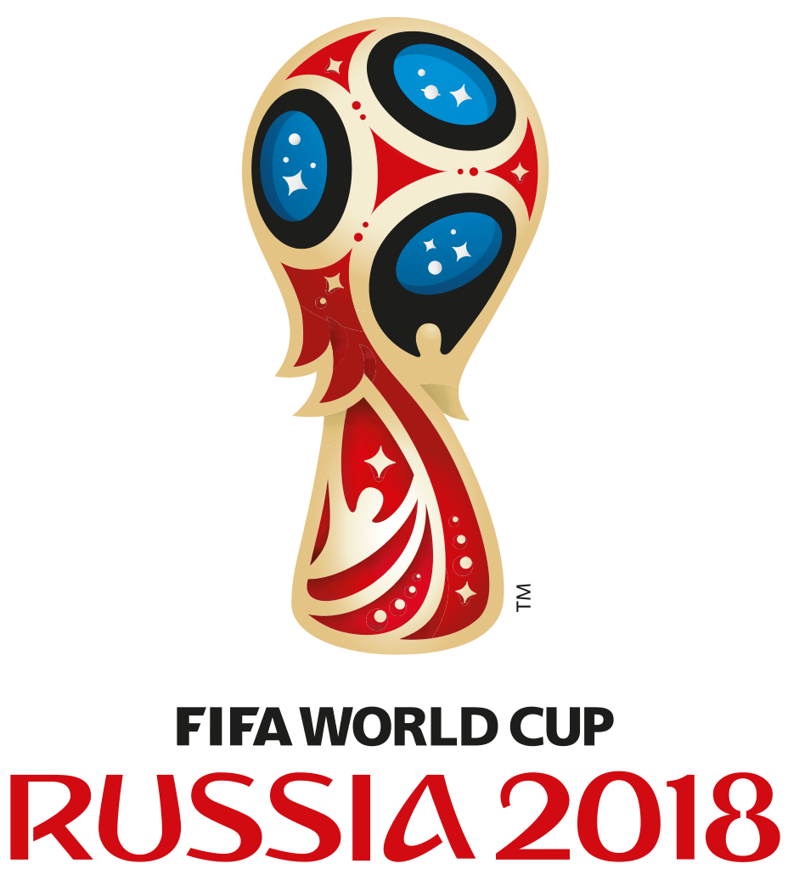
 | July 2 | 00:00 |  |  |  | 60

 |  |  |  |  | Fisht Olympic Stadium
Winner Group D |  |  | 52 | July 8 | 04:00
Runner Up Group C
 |  | Nizhny Novgorod Stadium, Nizhny Novgorod
 | July 2 | 04:00 |  |  |  |  |  |  | 62

 |  |  |  |  |  |  |  | Luzhniki Stadium
Winner Group F |  |  | 55 |  |  |  | July 12 | 04:00
Runner Up Group E
 |  | Krestovsky Stadium, Saint Petersburg
 | July 4 | 00:00 |  |  |  | 59

 |  |  |  |  | Samara Arena |  |  |  |  | Australia Sports Betting AusSportsBetting.com
Winner Group H |  |  | 56 | July 8 | 00:00
Runner Up Group G
 |  | Otkrytie Arena, Moscow
 | July 4 | 04:00

